1. Title Page
Project Name: Instacart Grocery Basket Analysis
Date: July 1, 2023
Analyst Name: Andrea Chestnut

Contents:
Population Flow
Consistency checks
Wrangling steps
Column derivations
Visualizations
Recommendations

2. Population Flow
Title page

Population flow

Exclusion flag
Condition: max_order <= 'new customer, <= 40 & > 10 'regular customer', > 40 'loyal customer'
Obervations to be removed: ,440,395
Final total count of order_products_all: 30,964,564

Orders_products_combined
Orders_products_merged
Orders_products_all

Total: 32,404,859
Total: 32,434,489
Total:32,404,859

1.) The grey boxes in the first row of the population flow represent the original data sets as they were when you downloaded them. In the Total fields you need to add the count of the rows when you imported the data set into Jupyter.
2.) The second row of boxes (coloured) represents the data sets after you manipulated them, e.g., removed missing values and duplicates. In the Total fields you need to add the count of the rows after conducting these operations. This offers a visual oveview of how the data flows throughout the data consistency checks.
3.) The third row, where also the arrows are coloured, represents the merges you performed between the datasets. In the Total fields you need to add the count of the rows in the merged datasets, so that you end up with the final dataset (in the red box). Keep in mind the final dataset should be without exclusions (based on the exclusion flag).

3. Consistency checks
 |  |  |  | Title page
Consistency checks

Dataset | Missing values | Missing values treatment | Duplicates
orders | 206209 'days_since_prior_order' | Filled in with 0 as missing values most likely represented first time customers | no duplicates found
products | 16 'product_name' | create new dataframe without missing values | 5 duplicates found
orders_products_prior | No missing values | No missing values | no duplicates found
customers | 11259 'First Name' | Leave as is as it is eliminated from final dataframe due to PII | no duplicates found

4. Wrangling steps
 |  |  |  | Title page
Wrangling steps

Columns dropped | Columns renamed | Columns' type changed | Comment/Reason
 | order_dow |  | renamed to orders_day_of_week
 |  | order_id | numeric to string
 |  | user_id | numeric to string
 | order_hour_of_day |  | renamed to hour_of_order
unamed:0 |  |  | unnecessary
unamed 0, unamed 0.1, and _merge |  |  | unnecessary
 | Surnam |  | renamed to Last Name
 | n_dependents |  | renamed to Number_of_dependents
 |  | First Name | changed to string
first_name and last_name |  |  | PII data

5. Column derivations
 |  |  |  | Title page

Column derivations and aggregations

In this tab you should add tables below that the frequences of flags/label variables that you produced after deriving them. NB: don't do this for continuous variables, only for flags.
Dataset | New column | Column/s it was derived from | Conditions
ords_prods_merged | price_range_loc | prices | >15 'High range product'
ords_prods_merged | price_range_loc | prices | <=15 & .5 'Mid range product'
ords_prods_merged | price_range_loc | prices | <= 5 'Low range product'

ords_prods_merged | busiest_day | orders_day _of_week | Busiest day'
ords_prods_merged | busiest_day | orders_day_of_week | Least busy'
ords_prods_merged | busiest_day | orders_day_of_week | Regularly busy'

ords_prods_merged | busiest_day | orders_day_of_week | day 0 and 1 'Busiest days'
ords_prods_merged | busiest_day | orders_day_of_week | day 3 and 4 'Least busy days'
ords_prods_merged | busiest_day | orders_day_of_week | all other days 'Regularly busy'

ords_prods_merged | busiest_period_of_day | hour_of_order | 7 hours with 'Most orders'
ords_prods_merged | busiest_period_of_day | hour_of_order | 8 hours with 'Fewest orders'
ords_prods_merged | busiest_period_of_day | hour_of_order | all other hours 'Average orders'

ords_prods_merged | loyalty_flag | max_order | >40 'Loyal customer'
ords_prods_merged | loyalty_flag | max_order | <= 40 & >10 'Regular customer'
ords_prods_merged | loyalty_flag | max_order | <=10 'New customer'

ords_prods_merged | spending_flag | mean_price | < 10 'Low spender'
ords_prods_merged | spending_flag | mean_price | >= 10 'High spender'

ords_prods_merged | frequency_flag | median_days | > 20 'Frequent customer'
ords_prods_merged | frequency_flag | median_days | >10 & <= 20 'Regular customer'
ords_prods_merged | frequency_flag | median_days | <= 10 'Non-frequent customer'

cust_ords_prods | region | state | Northeast
cust_ords_prods | region | state | Midwest
cust_ords_prods | region | state | South
cust_ords_prods | region | state | West

cust_ords_prods | activity_of_customer | max_order | >= 5 'High order customer'
cust_ords_prods | activity_of_customer | max_order | < 5 'Low order customer'

df | age_flag | age | > 65 'Senior'
df | age_flag | age | <+ 65 & > 35 'Middle-age'
df | age_flag | age | <= 35 'Young-adult'

df | income_flag | income | <= 50000 'Low income'
df | income_flag | income | > 50000 & <= 100000 'Middle income'
df | income_flag | income | > 100000 'High income'

df_merged | family_flag | number_of_dependants | 0 'Single'
df_merged | family_flag | number_of_dependants | > 0 'Family'

6. Visualizations
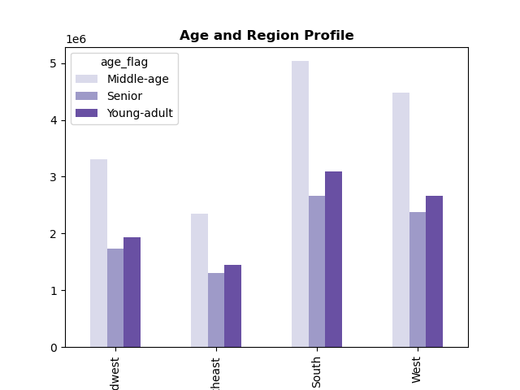
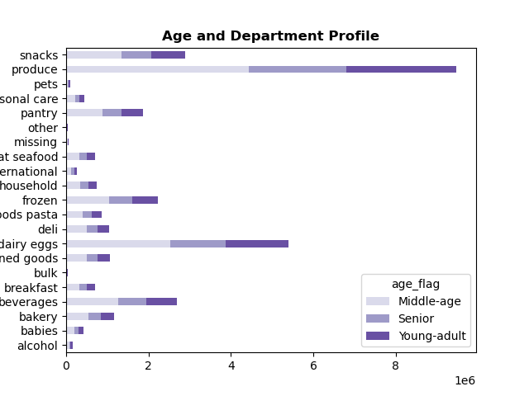
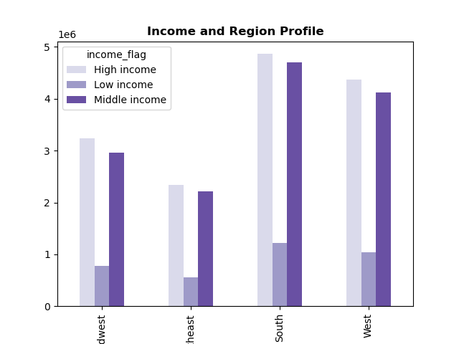
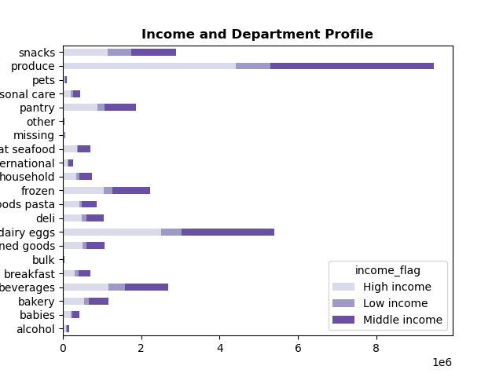
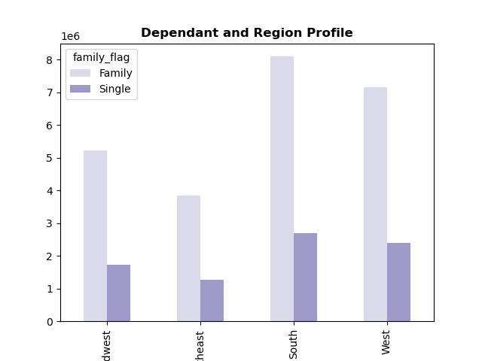
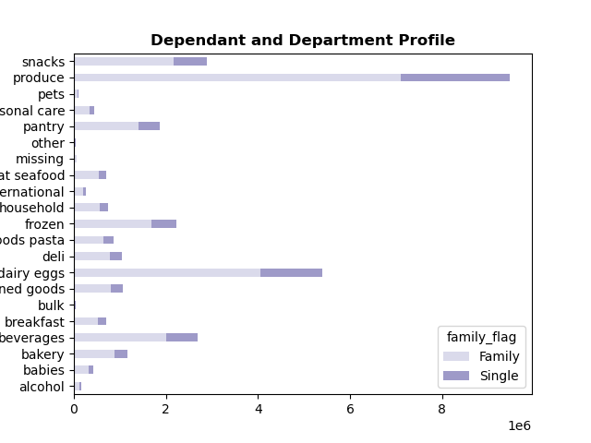

 |  | Title page

Visualisations

● The sales team needs to know what the busiest days of the week (i.e., the days and times with the most orders) in order to schedule ads at times when there are fewer orders.



 | y-axis = number of orders

 | x-axis = day of week
 | 0 = Saturday
 | 1 = Sunday
 | 2 = Monday
 | 3 = Tuesday
 | 4 = Wednesday
 | 5 = Thursday
 | 6 = Friday

 | The busiest days of the week for number of orders are Saturday and Sunday.
 | The least busy days of the week for number of orders are Tuesday and Wednesday.

● They also want to know the busiest hours of the day (i.e., the days and times with the most orders) in order to schedule ads at times when there are fewer orders.



 | y-axis = Frequency of orders

 | x-axis = hour of the day

 | The busiest hours of the day are between 9am and 4pm.
 | The least busy hours of the day are between midnight and 7am.

● They also want to know whether there are particular times of the day when people spend the most money, as this might inform the type of products they advertise at these times.



 | Customer's spend the most between 4am and 7am with a downfall occuring between 8am and 11am.

● Instacart has a lot of products with different price tags. Marketing and sales want to use simpler price range groupings to help direct their efforts.

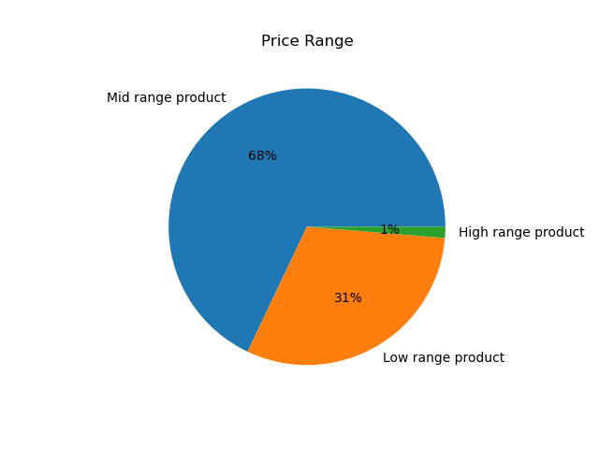

● Are there certain types of products that are more popular than others? The marketing and sales teams want to know which departments have the highest frequency of product orders.

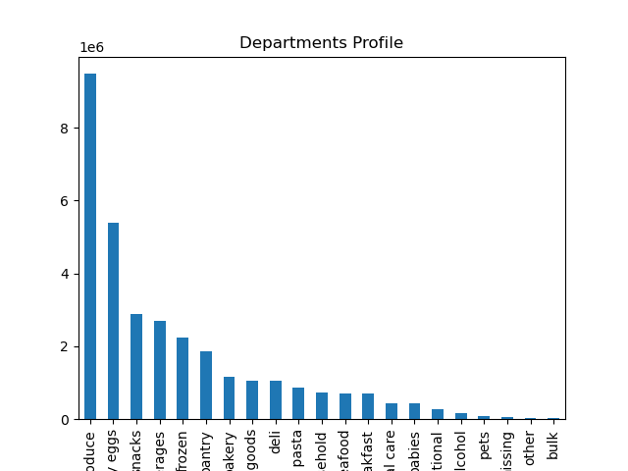

 | y-axis = number of orders

 | The produce and dairy/eggs departments have the highest frequency of orders.

● The marketing and sales teams are particularly interested in the different types of customers in their system and how their ordering behaviors differ.
○ What’s the distribution among users in regards to their brand loyalty (i.e., how often do they return to Instacart)?



 | y-axis = frequency of orders

 | Regular customers return the most, then loyal customers, and last are new customers.

○ Are there differences in ordering habits based on a customer’s loyalty status?

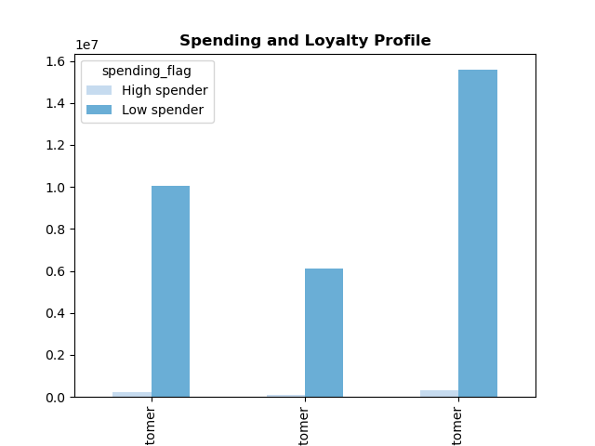

 | All customers including regular, loyal, and new, have more low spending habits than high spending habits

○ Are there differences in ordering habits based on a customer’s region?

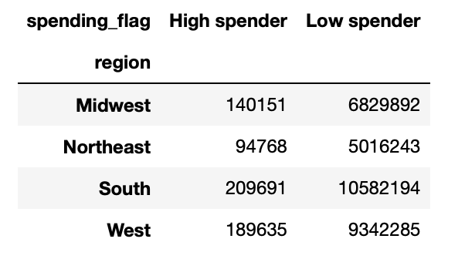

 | The South Region has the most high spender's and the Northeast has the least.


○ Is there a connection between age and family status in terms of ordering habits?
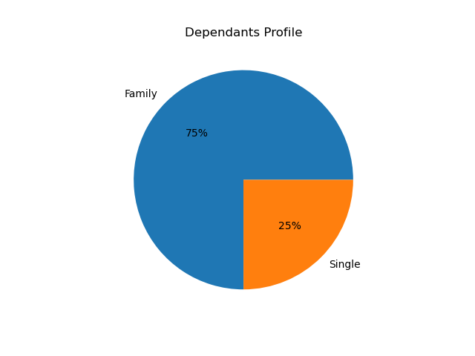
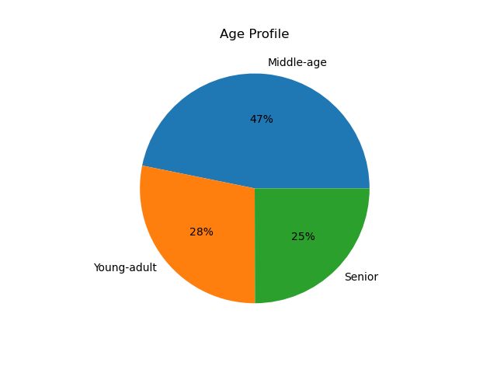

○ What different classifications does the demographic information suggest?

Age? Income? Certain types of goods? Family status?

○ What differences can you find in ordering habits of different customer

profiles? Consider the price of orders, the frequency of orders, the products customers are ordering, and anything else you can think of.

7. Recommendations
 |  |  |  | Title page

Recommendations

In this tab you should include any recommendations you would made to Instcart in terms of their marketing strategy based on the questions posed in the brief. Every key question has been covered in the Tasks of the Exercises - here you need to add an item - a visualisation or table/crosstable that is showing the answer in the data, acompanied by a comment from you. Please, list the questions below and add the answer underneath.

● The sales team needs to know what the busiest days of the week and hours of the day are (i.e., the days and times with the most orders) in order to schedule ads at times when there are fewer orders.

 |  | y-axis = number of orders
 |  |  |  |  |  | y-axis = Frequency of orders
 |  | x-axis = day of week
 |  | 0 = Saturday |  |  |  | x-axis = hour of the day
 |  | 1 = Sunday
 |  | 2 = Monday |  |  |  | The busiest hours of the day are between 9am and 4pm.
 |  | 3 = Tuesday |  |  |  | The least busy hours of the day are between midnight and 7am.
 |  | 4 = Wednesday
 |  | 5 = Thursday
 |  | 6 = Friday

 |  | The busiest days of the week for number of orders are Saturday and Sunday.
 |  | The least busy days of the week for number of orders are Tuesday and Wednesday.

Reccommendation: Schedule ads during the week between midnight and 7am when the least number of orders occur. The weekend days, Saturday and Sunday, have the most orders and the busiest hours fall between 9am and 4pm.

● They also want to know whether there are particular times of the day when people spend the most money, as this might inform the type of products they advertise at these times.

 |  | Customer's spend the most between 4am and 7am with a downfall occuring between 8am and 11am.

Reccommendation: Advertise high-range products between 4am and 7am when customer's spend the most and low-range products between 8am and 11am when customer's spend the least.

● Instacart has a lot of products with different price tags. Marketing and sales want to use simpler price range groupings to help direct their efforts.

 |  |  | Less than or equal to $5 'Low range product'.
 |  |  | Between $5 and $15 'Mid range product'.
 |  |  | Greater than $15 'High range product'.

● Are there certain types of products that are more popular than others? The marketing and sales teams want to know which departments have the highest frequency of product orders.

 |  | y-axis = number of orders

 |  | The produce and dairy/eggs departments have the highest frequency of orders.

Produce and dairy/eggs departments have high frequency of orders as they carry the food and drink items that are used by most people every day. Products such as pets have a very low frequency because not everyone has pets or need for certain pet supplies.

● The marketing and sales teams are particularly interested in the different types of customers in their system and how their ordering behaviors differ.
○ What’s the distribution among users in regards to their brand loyalty (i.e., how often do they return to Instacart)?

 |  | y-axis = frequency of orders

 |  | Regular customers return the most, then loyal customers, and last are new customers.

Recommendation: To increase the number of 'loyal customer', offer a points system that would encourage customers to order more frequently. With the points system, assign a rewards system that would allow loyal customers to use points to get a percentage or dollar amount reduced from order.

○ Are there differences in ordering habits based on a customer’s loyalty status?

 |  | All customers including regular, loyal, and new, have more low spending habits than high spending habits

Recommendation: To increase the spending habits of customers , offer incentives such as free delivery when a certain amount is spent.

○ Are there differences in ordering habits based on a customer’s region?

 | The South Region has the most high spender's and the Northeast has the least.

Recommendation: Determine the reason the South has the most spender's overall. If it is due to marketing strategies; research ways to increase the marketing efforts in the other 3 regions.

○ Is there a connection between age and family status in terms of ordering habits?

Recommendation: You can infer from the charts that middle-age customer's are most likely part of a family, whereas young-adults and seniors are more likely to be single. Based on this information, you could alter marketing strategies to target singles to increase ordering habits and offer incentives for families to continue using instacart.

○ What different classifications does the demographic information suggest?

Age? Income? Certain types of goods? Family status?

○ What differences can you find in ordering habits of different customer

profiles? Consider the price of orders, the frequency of orders, the products customers are ordering, and anything else you can think of.

 |  |  |  |  | Insights of Age Profile: In all 4 regions the, the middle-age group orders most frequently with seniors ordering the least. Also, the middle-age group spends the most in produce, dairy/eggs, and snack departments.

 |  |  |  |  | Recommendation: Target marketing strategies to those departments with efforts appealing to the middle-age group.

 |  |  |  |  | Recommendation: Focus marketing strategies on higher priced products in produce and dairy/eggs in the South region because this region contains the highest number of high income customer's.

 |  |  |  |  | Recommendation: Families order more frequently than singles in all departments in each region. Offer incentives, coupons, and rewards that would appeal to singles to increase their ordering habits.

 |  |  | Reommendation: Run ads on higher priced products during the hours that customer's age 45-65 are most likely to order. Those age 45-65 have higher income thresholds than young-adults just starting their careers and seniors who have reached retirement.

